Sheet1
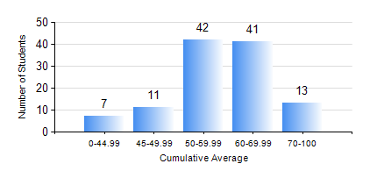
 |  |  | KWAME NKRUMAH UNIVERSITY OF SCIENCE AND TECHNOLOGY, KUMASI Department of Agricultural and Biosystems Engineering

 |  |  | BSC. AGRICULTURAL ENG.

 |  |  | COMPREHENSIVE RECORD OF EXAMINATION RESULTS

 |  |  | RESULTS OF YEAR 3 SECOND SEMESTER, 2024/2025 ACADEMIC YEAR

 | Sn | Course Code |  | Course Name | Credit Hours | Min. Mark | Max. Mark | Avg. Mark | Std. Dev. | No. Passed | No. Trailed | No. (Df) | No. (I) | No. (I*) | No. Tagged(I,I*,Df) | Total
 | 0. |  |  |  |  |  |  | 0 | 0 | 0 | 0 | 0 | 0 | 0 | 0 | 5
 | 1. | AE 352 |  | SOIL MECHANICS APPLICATION TO MECHANISATION | 2 | 2 | 92 | 65 | 13.45 | 105 | 4 | 0 | 0 | 0 | 0 | 109
 | 2. | AE 356 |  | FARM POWER AND MACHINERY | 3 | 0 | 94 | 59 | 15.76 | 103 | 6 | 0 | 0 | 0 | 0 | 109
 | 3. | AE 358 |  | RENEWABLE ENERGY SYSTEMS AND MANAGEMENT | 3 | 0 | 98 | 79 | 14.82 | 107 | 2 | 0 | 0 | 0 | 0 | 109
 | 4. | AE 360 |  | RURAL ENGINEERING | 2 | 19 | 89 | 60 | 15.13 | 103 | 6 | 0 | 0 | 0 | 0 | 109
 | 5. | AE 362 |  | RESEARCH METHODS FOR ENGINEERS | 2 | 0 | 92 | 76 | 11.17 | 108 | 1 | 0 | 0 | 0 | 0 | 109
 | 6. | ME 366 |  | HEAT TRANSFER | 3 | 3 | 93 | 63 | 13.83 | 107 | 2 | 0 | 0 | 0 | 0 | 109
 | 7. | ME 374 |  | MACHINE DESIGN II | 3 | 7 | 92 | 58 | 19.5 | 94 | 15 | 0 | 0 | 0 | 0 | 109
 | 8. | ME 376 |  | INTRODUCTION TO CAD/CAM | 3 | 0 | 84 | 46 | 14.7 | 90 | 19 | 0 | 0 | 0 | 0 | 109

